Calculations
Informe Anual 2016
Comisión Federal de Electricidad

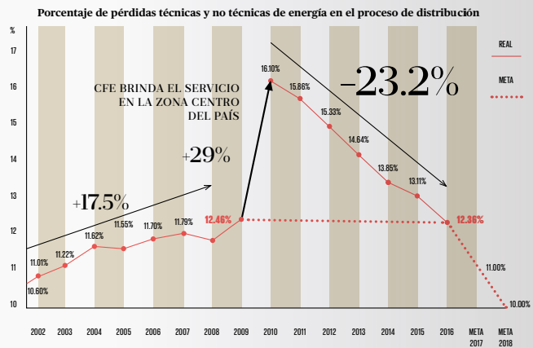
Year | Transmission and Distribution Loss Percentage
2002 | 0.1060
2003 | 0.1101
2004 | 0.1122
2005 | 0.1162
2006 | 0.1155
2007 | 0.1170
2008 | 0.1179
2009 | 0.1246
2010 | 0.1610
2011 | 0.1586
2012 | 0.1533
2013 | 0.1464
2014 | 0.1385
2015 | 0.1311
2016 | 0.1236

We assume T&D losses are constant at the average value for this period.

Average | 0.1288

